average salary vs department
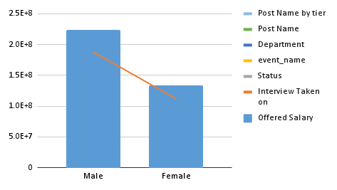

AVERAGE of Offered Salary vs. Department

